Main
Logo |  |  |  |  |  | Logo
Logo |  |  |  | Date | 2022-01-30 | Logo |  |  |  |  | Date | 2022-01-30
 |  |  |  |  |  |  |  |  |  |  |  |  | Angle | Radians | sin | cos | r1 = | 109.55 | r2 = | 95.25
tw = 14.3 |  |  |  |  |  |  | Design Condition | Method | Location | Pipe Type | Restrained | History | 0.00 | 0.00 | 0.00 | 1.00 | 0.00 | 109.55 | 0.00 | 95.25
 |  |  |  |  |  |  | Operating | stress | Offshore | Riser | No | Unknown | 22.50 | 0.39 | 0.38 | 0.92 | 41.92 | 101.21 | 36.45 | 88.00
 |  |  |  |  |  |  |  |  |  |  |  |  | 45.00 | 0.79 | 0.71 | 0.71 | 77.46 | 77.46 | 67.35 | 67.35
 |  |  |  |  |  |  | Geometry Data |  |  |  |  |  | 67.50 | 1.18 | 0.92 | 0.38 | 101.21 | 41.92 | 88.00 | 36.45
 |  |  |  |  |  |  | Do [mm] | tnom [mm] | tcorr [mm] | Coating [mm] | Lc [m] |  | 90.00 | 1.57 | 1.00 | 0.00 | 109.55 | 0.00 | 95.25 | 0.00
 |  |  | MATERIAL PROPERTIES |  |  |  | 219.1 | 14.3 | 3 | 0 | 1 |  | 112.50 | 1.96 | 0.92 | -0.38 | 101.21 | -41.92 | 88.00 | -36.45
 |  | Fu (N/mm2) | E (N/mm2) | n | r s (Kg/m3) |  |  |  |  |  |  |  | 135.00 | 2.36 | 0.71 | -0.71 | 77.46 | -77.46 | 67.35 | -67.35
 |  | 485 | 2.05E+05 | 0.3 | 7850 |  | Substance |  |  | fo [mm] | tol |  | 157.50 | 2.75 | 0.38 | -0.92 | 41.92 | -101.21 | 36.45 | -88.00
 |  |  |  |  |  |  | E |  |  | 0.025 | 0.08 |  | 180.00 | 3.14 | 0.00 | -1.00 | 0.00 | -109.55 | 0.00 | -95.25
 |  |  | OPERATING LOADS |  |  |  |  |  |  |  |  |  | 202.50 | 3.53 | -0.38 | -0.92 | -41.92 | -101.21 | -36.45 | -88.00
 | Pi [bar] | Temp [deg] |  |  |  |  | Material Property Input |  |  |  |  |  | 225.00 | 3.93 | -0.71 | -0.71 | -77.46 | -77.46 | -67.35 | -67.35
 |  |  |  |  |  |  | Fy [MPa] | Fu [Mpa] | E [MPa] | G [Mpa] | n |  | 247.50 | 4.32 | -0.92 | -0.38 | -101.21 | -41.92 | -88.00 | -36.45
 |  |  |  |  |  |  | 170 | 485 | 2.05E+05 | 77200 | 0.3 |  | 270.00 | 4.71 | -1.00 | 0.00 | -109.55 | 0.00 | -95.25 | 0.00
 |  |  |  |  |  |  |  |  |  |  |  |  | 292.50 | 5.11 | -0.92 | 0.38 | -101.21 | 41.92 | -88.00 | 36.45
 |  |  |  |  |  |  | Material Derate |  |  |  |  |  | 315.00 | 5.50 | -0.71 | 0.71 | -77.46 | 77.46 | -67.35 | 67.35
 |  |  |  |  |  |  | Code | Type | Tmax |  |  |  | 337.50 | 5.89 | -0.38 | 0.92 | -41.92 | 101.21 | -36.45 | 88.00
 |  |  |  |  |  |  |  |  |  |  |  |  | 360.00 | 6.28 | 0.00 | 1.00 | 0.00 | 109.55 | 0.00 | 95.25

 |  |  |  |  |  |  | Temperature |  |  |  |  |  | X | y
 |  |  |  |  |  |  | T [c] | T2 [c] | Tsw | Tinlet | dt |  | 109.55 | 0.00 | 109.55 | 0.00 | -109.55 | 0.00 | 109.55 | 120.51
 |  |  |  |  |  |  | 50 |  |  |  |  |  | -109.55 | 0.00 | 109.55 | 120.51 | -109.55 | 120.51 | -109.55 | 120.51

 |  |  |  |  |  |  | Pressure |  | Hydrostatic Pressure |  |  |  | 67.35 | -67.35 | 77.46 | -77.46
 |  |  |  |  |  |  | Pi [bar] | Po [bar] | Hw [m] | Tw [sec] | d [m] |  | 53.88 | -53.88 | 92.96 | -92.96
 |  |  |  |  |  |  | 100 |  | 15 | 12 | 100
 |  |  |  |  |  |  |  |  |  |  |  |  | Design |  | Pipe
 |  |  |  |  |  |  | Funtional Load |  |  |  |  |  | Condition | Method | Location | Onshore | Offshore | Type | Restrain | History
 |  |  |  |  |  |  | F [kN] | Fs [kN] | Mb [kN-m] | T [kN-m] |  |  | Operating | stress | Onshore | Above ground | Riser | Riser | Yes | Known
 |  |  |  |  |  |  | 106 | 5.55 | 0.3052 | 0 |  |  | Hydrotest | strain | Offshore | Buried | Landfall | Landfall | No | Unknown
 |  |  |  |  |  |  |  |  |  |  |  |  | Ultimate | upheaval |  |  | Seabed | Seabed
 |  |  |  |  |  |  | stress/strain
 |  |  |  |  |  |  |  |  |  |  |  |  | Substance | Sub factors | DNV mat
 |  |  |  |  |  |  |  |  |  |  |  |  | A | Ammonia | DSS
 |  |  |  |  |  |  |  |  |  |  |  |  | B | Carbon | CMN
 |  |  |  |  |  |  |  |  |  |  |  |  | C | Ethylene | 25CR
 |  |  |  |  |  |  | r [Kg/m^3] |  |  | g (Kg/m^3) | Lw [m] |  | D | Hydrogen | 22CR
 |  |  |  |  |  |  | 7850 |  |  | 1.01E+04 |  |  | E | Petroluem
 |  |  |  |  |  |  |  |  |  |  |  |  |  | Natural gas
 |  |  |  |  |  |  |  |  |  |  |  |  |  | User
Logo |  |  |  |  |  | Logo
Logo |  |  |  | Date | 2022-01-30 | Logo |  |  |  |  | Date | 2022-01-30
Clamp |  |  |  |  |  | Pipe Squeeze Stress |  |  |  |  |  |  |  |  |  | q
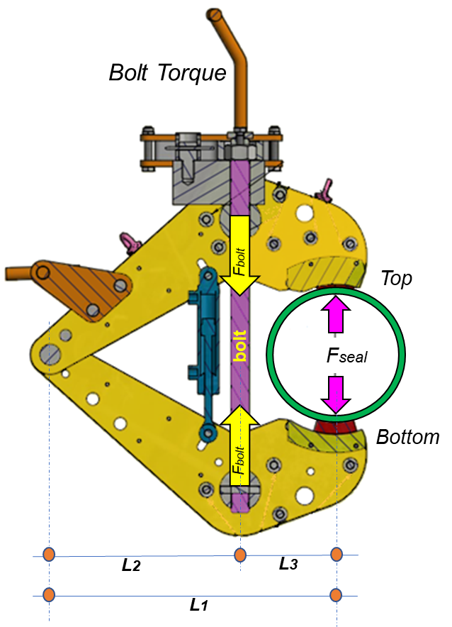
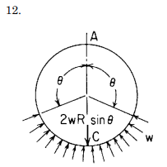
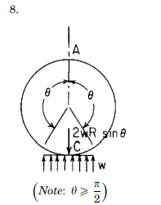
 |  | Clamp Geometry |  |  |  |  |  |  |  |  |  |  | Pad | R | pad/2 | rad | deg | Ring Cases
 |  | L1 [mm] | L2 [mm] | L3 [mm] |  | Pad | Width [mm] | Load Case | q |  |  |  | top | 109.55 | 40 | 0.374 | 21.416 | 1
 |  | 600 | 355 | 245 |  | Top | 80 | 12 | 21.42 |  |  |  | bottom | 109.55 | 75 | 0.754 | 43.206 | 8
 |  |  |  |  |  | Bottom | 150 | 12 | 43.21 |  |  |  |  |  |  |  |  | 12
 |  | Bolt | M30x3.5
 |  | Type | Thread type | m
 |  | M30 | Coarse | 0.16
 |  | Details
 |  |  | Diametre [mm]: | 30
 |  |  | Stress Area [mm^2]: | 561
 |  |  | Clearance Hole [mm]: | 33
 |  |  | Flank Thread [deg]: | 30
 |  |  | Thread Pitch [mm]: | 3.5
 |  |  | Spanner [mm]: | 46
 |  |  | Effec. Pitch Rad [mm]: | 13.36
 |  |  | R_bolt [mm]: | 19.75
 |  |  | Load factor | 6.19

 | Fbolt | Fseal
10 | 1.62 | 0.96
20 | 3.23 | 1.91
30 | 4.85 | 2.87
40 | 6.47 | 3.83
50 | 8.08 | 4.78
60 | 9.70 | 5.74
70 | 11.32 | 6.70
80 | 12.93 | 7.65
90 | 14.55 | 8.61
100 | 16.17 | 9.56
110 | 17.78 | 10.52
120 | 19.40 | 11.48
130 | 21.02 | 12.43
140 | 22.63 | 13.39
150 | 24.25 | 14.35
160 | 25.87 | 15.30
170 | 27.48 | 16.26
180 | 29.10 | 17.22
190 | 30.72 | 18.17
200 | 32.33 | 19.13
210 | 33.95 | 20.09
220 | 35.56 | 21.04
230 | 37.18 | 22.00
240 | 38.80 | 22.96
250 | 40.41 | 23.91
260 | 42.03 | 24.87
270 | 43.65 | 25.82
280 | 45.26 | 26.78
290 | 46.88 | 27.74
300 | 48.50 | 28.69
310 | 50.11 | 29.65
320 | 51.73 | 30.61
330 | 53.35 | 31.56
340 | 54.96 | 32.52
350 | 56.58 | 33.48
360 | 58.20 | 34.43
370 | 59.81 | 35.39
380 | 61.43 | 36.35
390 | 63.05 | 37.30
400 | 64.66 | 38.26
410 | 66.28 | 39.22
420 | 67.90 | 40.17
430 | 69.51 | 41.13
440 | 71.13 | 42.08
450 | 72.75 | 43.04
460 | 74.36 | 44.00
470 | 75.98 | 44.95
480 | 77.60 | 45.91
490 | 79.21 | 46.87
500 | 80.83 | 47.82
...
Bolt Torque Vs Force
 |  |  |  |  |  |  |  |  |  |  |  |  | Bolt | M30 | Coarse | M30x3.5 | Thread pitch [P]
 |  |  |  |  |  |  |  |  |  |  |  |  | Type | Diametre [Dmaj] | Stress Area | Flank angle of thread | Coarse | Fine | key width (spanner) | Clearance hole
 |  |  |  |  |  |  |  |  |  |  |  |  | M12 | 12 | 84.3 | 30 | 1.75 | 1.5 | 19 | 14
 |  |  |  |  |  |  |  |  |  |  |  |  | M16 | 16 | 157 | 30 | 2 | 1.5 | 24 | 18
 |  |  |  |  |  |  |  |  |  |  |  |  | M20 | 20 | 245 | 30 | 2.5 | 2 | 30 | 22
 |  |  |  |  |  |  |  |  |  |  |  |  | M22 | 22 | 303 | 30 | 2.5 | 2 | 32 | 24
 |  |  |  |  |  |  |  |  |  |  |  |  | M24 | 24 | 353 | 30 | 3 | 2 | 36 | 26
 |  |  |  |  |  |  |  |  |  |  |  |  | M27 | 27 | 459 | 30 | 3 | 2 | 41 | 30
 |  |  |  |  |  |  |  |  |  |  |  |  | M30 | 30 | 561 | 30 | 3.5 | 2 | 46 | 33

 |  |  |  |  |  |  |  |  |  |  |  |  | Type | Rbolt | Effective pitch radious | Thread type | Thread pitch [P] | H | Dp | Dmin
 |  |  |  |  |  |  |  |  |  |  |  |  | M12 | 8.25 | 5.18 | Coarse | 1.75 | 1.52 | 10.86 | 10.11
 |  |  |  |  |  |  |  |  |  |  |  |  | M16 | 10.50 | 7.07 | Fine | 2 | 1.73 | 14.70 | 13.83
 |  |  |  |  |  |  |  |  |  |  |  |  | M20 | 13.00 | 8.83 |  | 2.5 | 2.17 | 18.38 | 17.29
 |  |  |  |  |  |  |  |  |  |  |  |  | M22 | 14.00 | 9.82 |  | 2.5 | 2.17 | 20.38 | 19.29
 |  |  |  |  |  |  |  |  |  |  |  |  | M24 | 15.50 | 10.60 |  | 3 | 2.60 | 22.05 | 20.75
 |  |  |  |  |  |  |  |  |  |  |  |  | M27 | 17.75 | 12.09 |  | 3 | 2.60 | 25.05 | 23.75
 |  |  |  |  |  |  |  |  |  |  |  |  | M30 | 19.75 | 13.36 |  | 3.5 | 3.03 | 27.73 | 26.21

